Sheet1
 | Number of students

 | 37,535 | Thomas all students (1,635): |  |  |  | Thomas without 9th graders (1,174):

 |  |  | Pass math |  | Pass both |  | Pass math |  | Pass both
 |  |  | 1,525 | Pass reading | 1,487 | 10, 11, 12 | 1,094 | Pass reading | 1,064
 |  | 9, 10 |  | 1,591 |  | 1,174 |  | 1,139
 |  | 11 and 12

 | Thomas
 | 1,635 |  |  |  |  | 9th
 |  |  |  |  |  | 461

Total: | 39,170 | 1,635 |  |  |  | 1,635

 | NOTE: not to scale

 | All students

 | 9 grade removed

 | All students
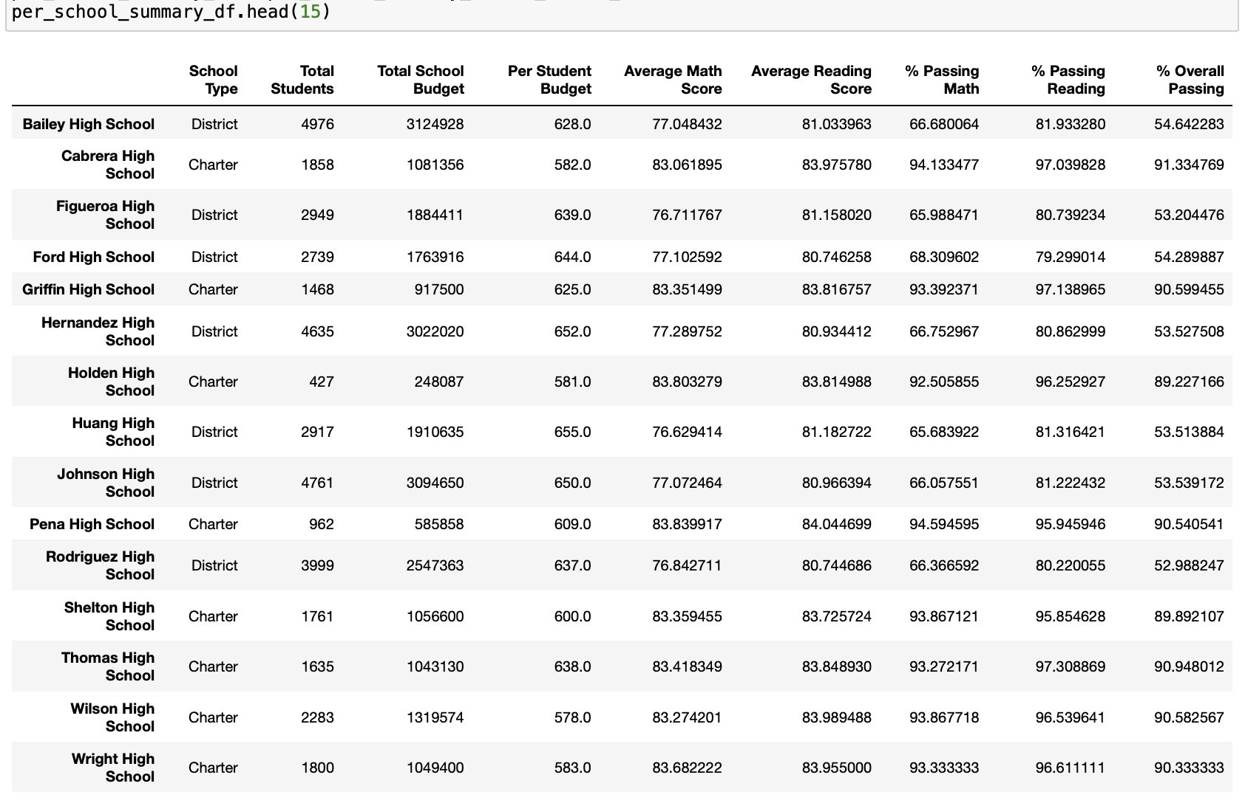

 | 9 grade removed
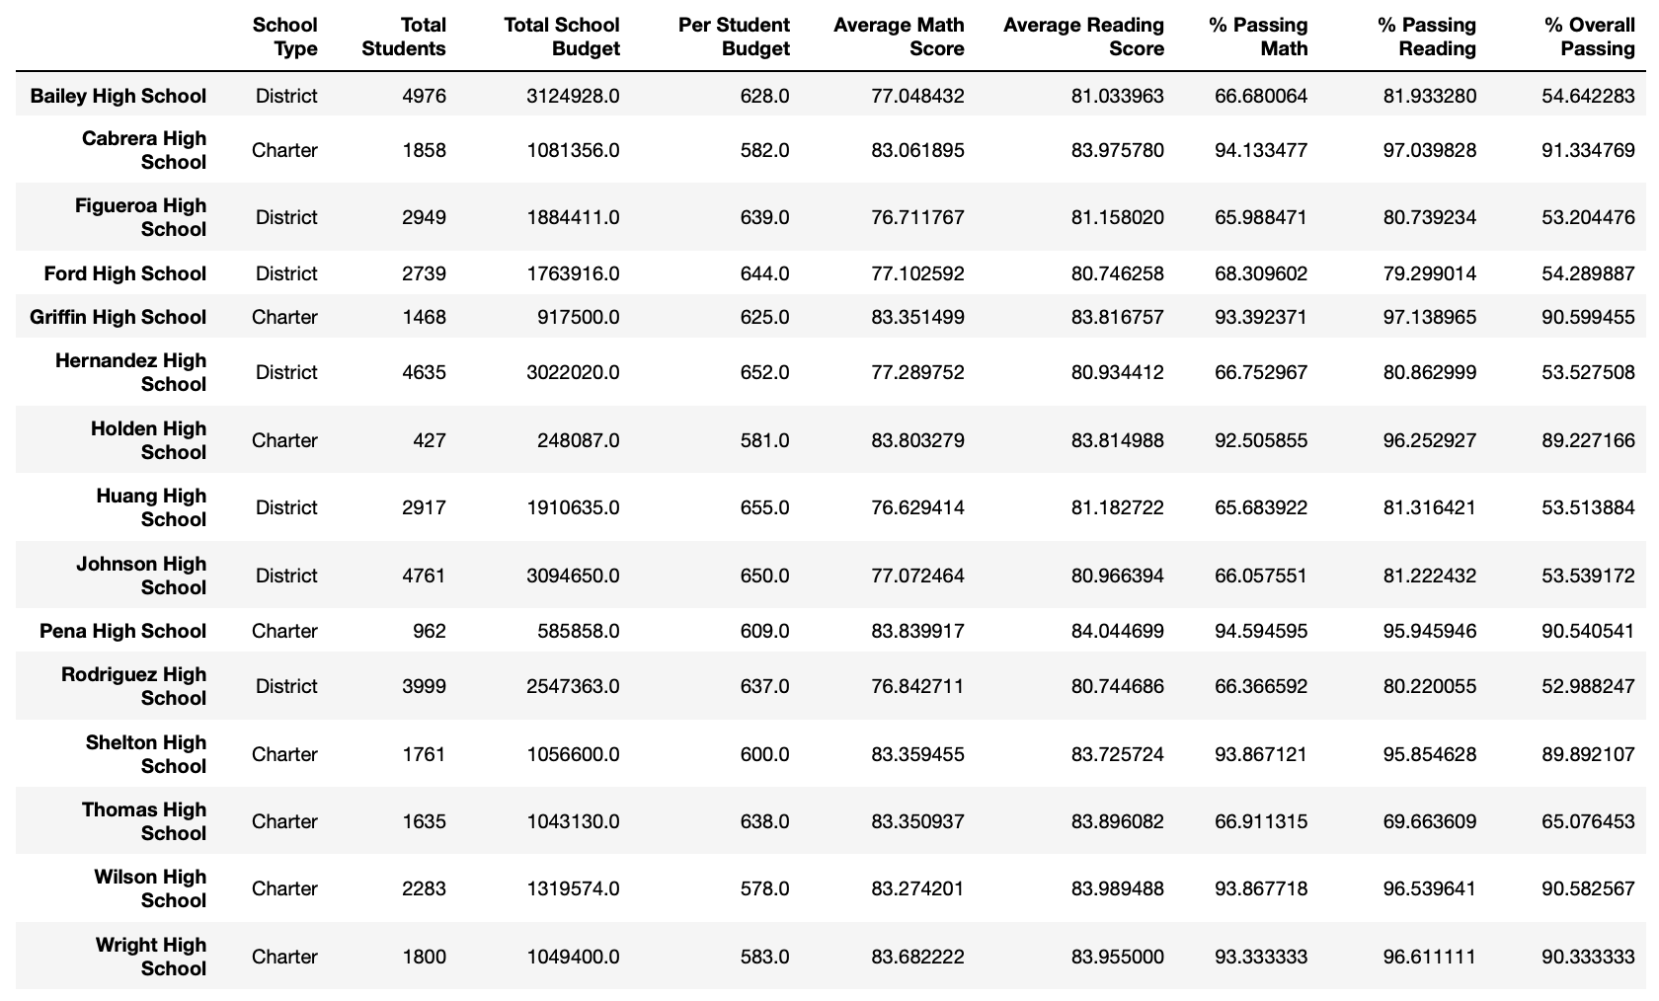

 | All students
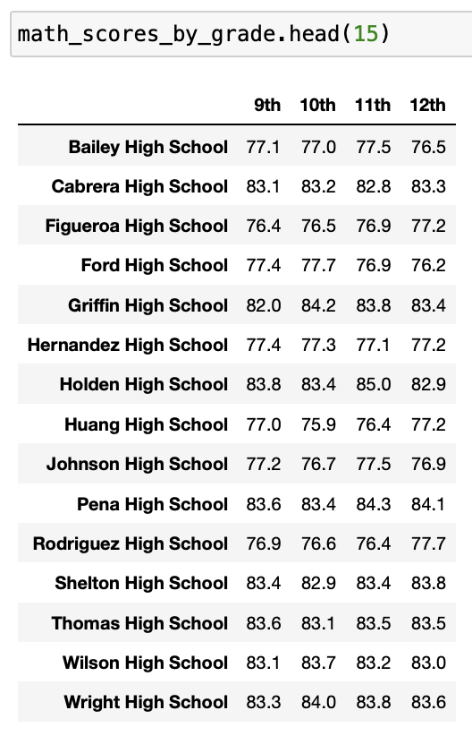
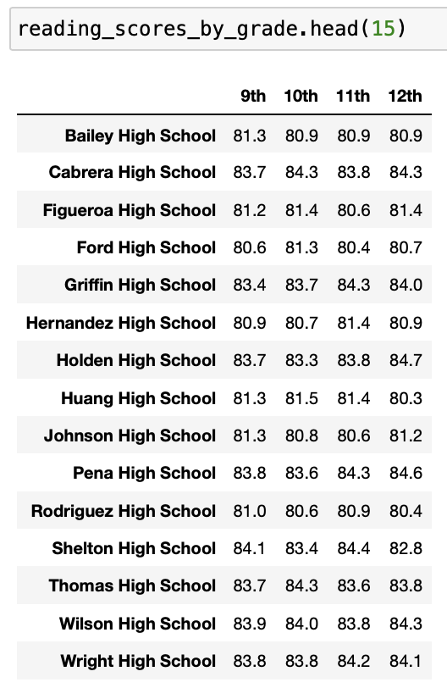

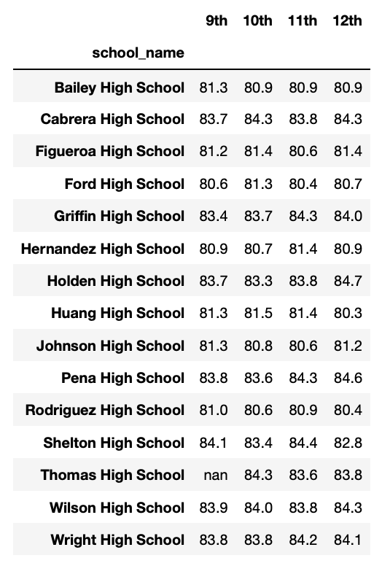
 | 9 grade removed
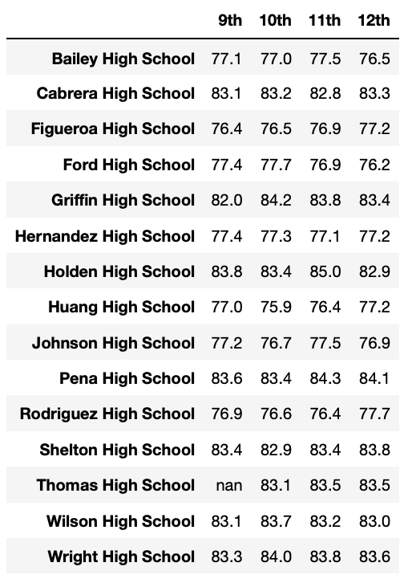

 | All students

 | 9 grade removed

THS

 | All students

 | 9 grade removed

 | All students

 | 9 grade removed

